Blad1
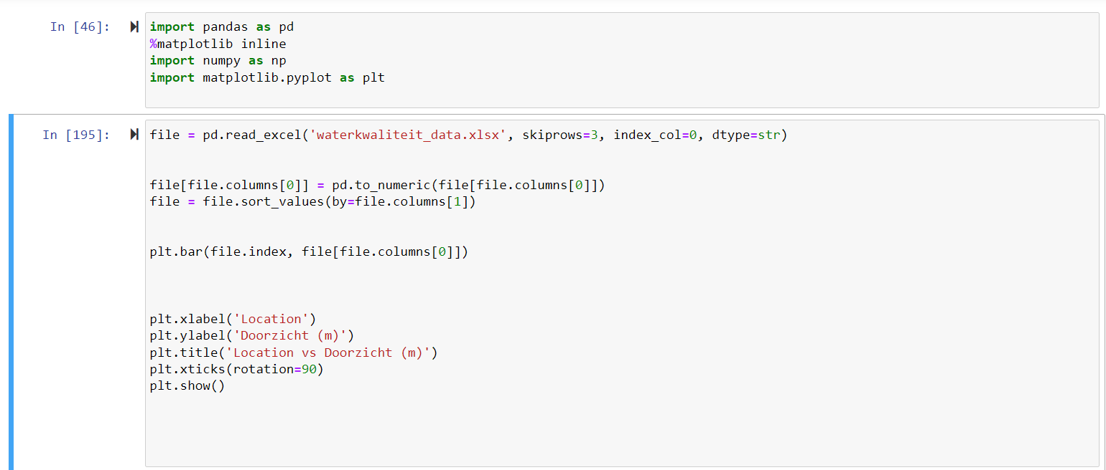
Instructions
Paris is hosting the Paralympics in 2024. One of the events at the Paralympics is an open water swimming event in the Seine (apparently the water is clean or so the French say). Since the City of Amsterdam thinks it is better than Paris, they want to host an event before the Paralympics, snubbing the Parisians. The idea is to host a 5km. open water swimming event through the canals of Amsterdam. You are asked by the municipality of Amsterdam to advise on the feasibility of the event from the perspective of the safety of the partaking athletes from an environmental perspective. The event is going to be hosted in May.
The event can’t have an impact on commercial water transport.
It would be appreciated if the event also has small impact on the routes of the canal boats.
What is the pollution level of the canals and is there data from all the canals? You can swim next to the AMS but the water there is heavily monitored, is this the same for the rest of Amsterdam?
Think of a few data sets that are of use for giving a proper advice to the municipality.
What type of data format is the information you found stored in? Are they Excel files, csv files or some other format? Try to open the files and see if they are human readable (e.g., are they text files or binary – in this case you see a lot of weird characters).
Is the data stored numerical?
You know how to read simple text files and a csv file from the first workshop. If you find other data formats, try to find a suitable Python library that can read that format.
If you have geo spatial data, can you figure out how the data is geometrically represented (points, lines, surfaces, hyper planes)?
If it is temporal data, what is the interval?
No coding required for this exercise, a (digital) pen and paper suffices but for an extra challenge you could try to:
Write a small Python script to print the data.
Can you find the minimum and maximum values in the data? If you have a list you can use the min() and max() function (e.g., min(my_list))
Use some of the Python libraries you have found to read and print the data.
Submissions will be done not on Brightspace but on Github or Gitlab, instructions on how to set that up during the next Python workshop.

The event can’t have an impact on commercial water transport.
Rijkswaterstaat scheepvaart
Commerial water transport is limited to the route between the North Sea Canal and Ijsselmeer lake, passing by the north side of the Central Station, leaving the waterways south of the station available for the event without disrupting the commercial water transport.

It would be appreciated if the event also has small impact on the routes of the canal boats.
Grachtenmonitor 2022 - openresearch.amsterdam
According to this source, which gives the crowdiness on waterways in Amsterdam, our route has a minor effect on the passanger canal boats, as it evades most busy intersections and waterways.

What is the pollution level of the canals and is there data from all the canals? You can swim next to the AMS but the water there is heavily monitored, is this the same for the rest of Amsterdam?
Based on the two quotes below, the water of the canal waters appears to be on par with official swimming sites, thus there should be little to no pollution of the canal waters.
No, there is no data for all canals. Data is only available from disctriptiv sources (such as those below) or only for specific locations were testing was done.
Water in Amsterdams seems to be only measured on two specific points (EU dataset). | EEA Datahub Water quality
https://openresearch.amsterdam/nl/page/84286/handboek-zwemmen-zomerrecreatie-aan-het-water
From part 5.2 waterkwaliteit
"De waterkwaliteit in de Amstel en de grachten is een groot deel van het zomerhalfjaar voldoende van
kwaliteit om te zwemmen. Meestal is dat zo als er genoeg doorstroming is. Indicatoren voor mogelijk
slechte waterkwaliteit zijn: stilstaand water, water met blauwalg, water met dode dieren en water met
grote groepen vogels.
De bacteriologische zwemwaterkwaliteit is tijdelijk slechter als er overstorten uit het gemengde,
gemeentelijke rioolstelsel plaatsvinden. Dit gebeurt gemiddeld vijf keer per zomerhalfjaar bij hevige
regenval. De waterkwaliteit herstelt zich daarna weer na enkele dagen. Per zomerhalfjaar zijn er
gemiddeld 155 dagen (van de 180) waarop de waterkwaliteit gemiddeld genomen voldoende is om te
zwemmen.
Er is op hoofdlijnen verschil in waterkwaliteit zichtbaar tussen de volgende delen van het Amsterdamse
open water:
• Water van IJ, Amsterdam-Rijnkanaal en open zijarmen is door de goede doorstroming doorgaans
van goede zwemkwaliteit (maar vanwege de scheepvaart gevaarlijker om in te zwemmen).
• Waterkwaliteit in de Amstelboezem (Amstel, (zij)grachten in Centrum, Oost en Zuid), de boezem
van de Haarlemmermeer (o.a. Nieuwe Meer, Ringvaart), het IJmeer, de grachten en de grote plassen
is gemiddeld goed genoeg van kwaliteit, mede door de doorstroming. Na hevige regenbuien is de
kans op overstorten van rioleringen groot en is het verstandig enkele dagen niet te zwemmen.
• In de polders in Buitenveldert, Nieuw-West en Zuidoost stroomt het water minder door en is de
kwaliteit in algemene zinslechter."
https://www.researchgate.net/publication/351001263_Retrospective_Analysis_of_Water_Management_in_Amsterdam_The_Netherlands
From 5.3 Wastewater Disposal, Treatment, and Surface Water Quality
"As a result, water quality in the river Amstel and in the canal zone meets high-quality standards as applied in ofﬁcial swimming locations most of the time. Only aftersewage overﬂow, which occurs on average ﬁve times per year, water quality is unsuitablefor swimming for three to ﬁve days after an overﬂow."

Think of a few data sets that are of use for giving a proper advice to the municipality.
Data sets on water quality, data sets on routes of transport on water, data sets on routes of canal boats,

What type of data format is the information you found stored in? Are they Excel files, csv files or some other format? Try to open the files and see if they are human readable (e.g., are they text files or binary – in this case you see a lot of weird characters).
The data on water quality on certain parameters in the 2020 jaarboek is found in excel files, the files are human readable.
The data on commercial water transport from Rijkswaterstaat is found as (geo)JSON por csv files, the files are not human readable.

Is the data stored numerical?
Data from several parameters in the 2020 jaarboek on water quality in surface water is stored numerically in excel.

If you have geo spatial data, can you figure out how the data is geometrically represented (points, lines, surfaces, hyper planes)?
Some of the geo spatial data, from private boats as well as passenger boats is indicated in points that represent sites that are visited. Other maps represent points where crowdiness was observed.
Geo spatial data on commercial water transport is presented as lines.

If it is temporal data, what is the interval?
It is not.

Dataset printed if possible?

